Sheet2
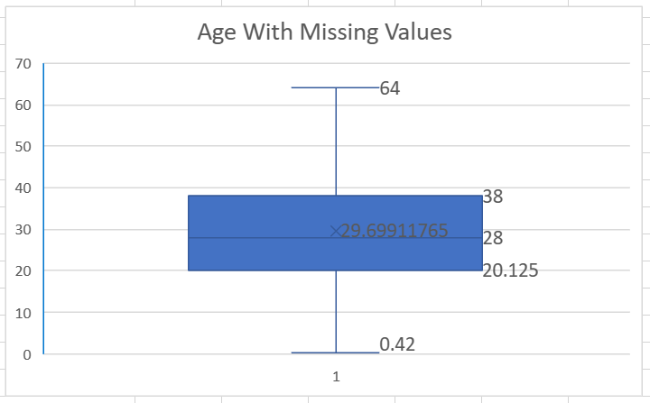
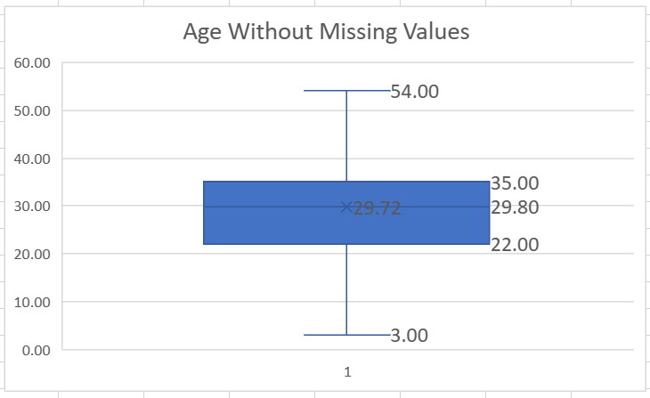

Descriptive Statistics of Age Column
Mean | 30
Standard Deviation | 12.998631798
Median | 30
Mode | 24
Minimum | 0
Maximum | 80
Count | 887

